Cover Page
Dashboard Dataset


Get 10% OFF our course using coupon code EMAIL10

Get our Excel for Business and Finance course.

Made by Career Principles Ltd.

Note
All content is copyright material of Career Principles Ltd.
This Excel model may not be reproduced or distributed by any means, including printing, screencapturing, or any other method without the prior permission of the publisher.

Dashboard
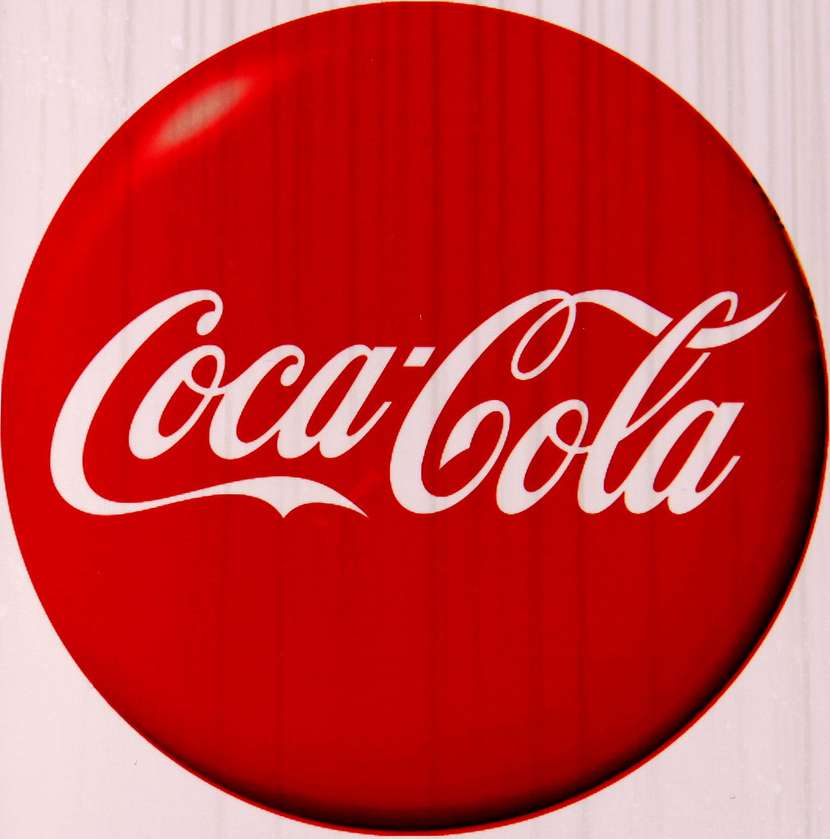
Coco-Cola USA Retailer Dashboard.
Figures in USD

Total Sales
Units Sold
Average Price
Total Operating Profit
24,788,610
$0.45
12,016,665
4,722,497

Sales by Beverage Brand |  |  |  | Sales by Retailer
Brand | Sales 2022 | Sales 2023 | Variance | Retailer | Sales 2022 | Sales 2023 | Variance
Coca-Cola | 499,102 | 2,268,975 | 1,769,873 | Amazon | 276,210 | 1,009,699 | 733,489
Dasani Water | 469,271 | 1,917,828 | 1,448,557 | BevCo | 466,788 | 2,327,607 | 1,860,819
Diet Coke | 423,759 | 1,633,959 | 1,210,201 | FizzyCo | 161,210 | 2,262,827 | 2,101,617
Fanta | 315,489 | 1,116,063 | 800,574 | Target | 9,250 | 1,341,995 | 1,332,745
Powerade | 349,534 | 1,302,529 | 952,995 | Walmart | 339,913 | 580,211 | 240,299
Sprite | 366,578 | 1,353,578 | 987,000 | West Soda | 1,170,362 | 2,070,594 | 900,233
Total | 2,423,733 | 9,592,933 | 7,169,200 | Total | 2,423,732 | 9,592,933 | 7,169,200

Sales and Operating Profit Margin by Quarter
 | Sales | Operating Profit Margin
Qtr1 | 692776.1 | 0.40174683544
Qtr2 | 644203.9 | 0.4
Qtr3 | 719170.4 | 0.41026548673
Qtr4 | 367582.1 | 0.40243816254
Qtr1 | 1877584.3 | 0.4165704501
Qtr2 | 2379424.8 | 0.42755819477
Qtr3 | 2805752.5 | 0.43470170455
Qtr4 | 2530170.9 | 0.42483932854

